Sheet1
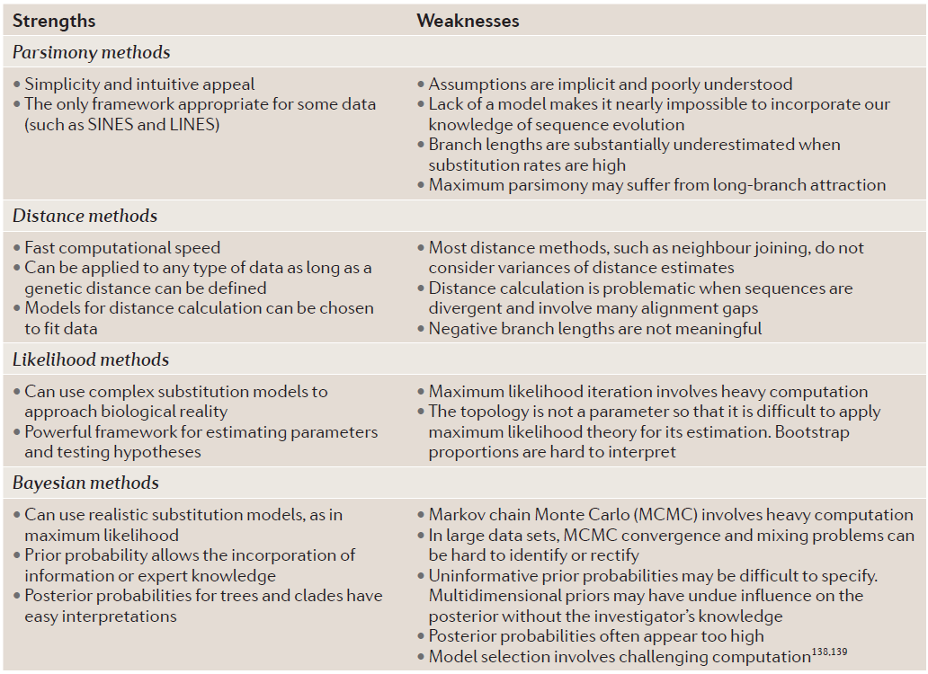

Method | Substituion model | assumptions | input | Algorithms | what it does | output
Maximum parsimony | - | No assumptions on the pattern of past mutations (substitution Models) | Morphological data (Phenotypic) | Sankoff Algorithm | Keep track of the TREE SCORE at every node | Tree with shortest length(least number of mutations)
 |  | Tree with the shortest length(least number of mutations) explains the phylogenic relation between species reasonably | Molecular sequences data(DNA, RNA,CODONS..) | Fitch’s Algorithm | Construct list of all possible trees and determine length of given tree
 |  |  |  | MALIGN and POY Algorithms | reduce TREE search space by isolating high scoring but not necessarily optimal trees
 |  |  |  | MEGA(Branch and Bound) | Subdivide problem into smaller reagions(branch) and search for solution in selected regions only (bound).
Distance matrices method | Models shown in image above | Each model chosen makes different assumptions about the relation between mutations of different nucleotide.ex: Some algorithms take difference in "transversion" and "transition" mutations frequency into account. | Molecular sequences data(DNA, RNA,CODONS..) | Least squares optimality criteria | emphasis on distance measure between two taxa/species | output tree = One with smallest sum of squared errors
 |  |  |  | Minimum evolution optimality criteria | emphasis on branch lengthts (number of mutations) | output tree = One with smallest sum of 'branch lengths'(shorter tree)
 |  |  |  | Neighbour joining | Clustering algorithm | output tree = a UNIQUE TREE as output
 |  | constant rate of evolution and the resultant tree being ULTRAMETRIC |  | UPGMA (unweighted pair group method with arithmetic mean) | build a similarity matrix -> cluster nearest two->repeat | Ultrametric tree
 |  | constant rate of evolution and the resultant tree being ULTRAMETRIC |  | WPGMA(weighted pair group method with arithmetic mean) | build a similarity matrix (differential weights with respect to initial distances) -> cluster nearest two->repeat | Ultrametric tree
Maximum likelihood method | Models shown in image above | every single position in the sequence evolves independently. Hence, we multiply the columnwise likelihoods. | Molecular sequences data(DNA, RNA,CODONS..) | DNAML(DNA Maximum Likelyhood) | substitution model models relpacements of purines and pyrimidines; subsitution model models independent frequencies irrespective of the nucleotide type(purine or pyrimidine). | output tree = Tree with maximum likelihood GIVEN the input data
 |  | and Molecular clock |  | DNAMLK(DNA Maximum Likelihood with Molecular Clock) | DNAML+molecular clock(uses mutation rates of biomolecules to deduce time)
Bayesian | Models shown in image above | model parameters are not a scalar values, but each parameter is described by a probability distribution. Random selection of parameter value from the probability distribution. | Molecular sequences data(DNA, RNA,CODONS..) | Metropolis-Hastings algorithm (Markov chain Monte Carlo) | Convert the bayesian framework to a ratio to reduce the complexity and computations | output tree = recovers a tree that represents the most likely clades, by drawing on the posterior distribution
 |  |  |  |  | Modify the parameters and tree topology with each step in the direction of local or global(hopefully) maxima
 |  |  |  | Metropolis-coupled MCMC (MC^3) | Escaping local maxima by intialiasing at multiple locations(parameter values)
 |  |  |  | LOCAL without a Molecular Clock | Choose random location of tree -> Make local changes to the tree -> repeat->until time elapses or a preset 'optimal' is reached
 |  |  |  | LOCAL with a Molecular Clock | Choose random location of tree -> Make local changes to the tree -> repeat->until time elapses or a preset 'optimal' is reached (. LOCAL with a molecular clock will only change the branch lengths)
 |  |  |  | GLOBAL Without the Molecular Clock | performs depth first search on a random initiation tree to build a graph with peaks and valleys. peaks representing leaf nodes and valleys representing internal nodel. At each iteration/step the height of the valleys are modified slightly.
 |  |  |  | GLOBAL With the Molecular Clock | performs depth first search on a random initiation tree to build a graph with peaks and valleys. peaks representing leaf nodes and valleys representing internal nodel. At each iteration/step the height of the valleys are modified slightly. with molecular clocks, the peaks are all same height from the root level.

Sheet2
